Map
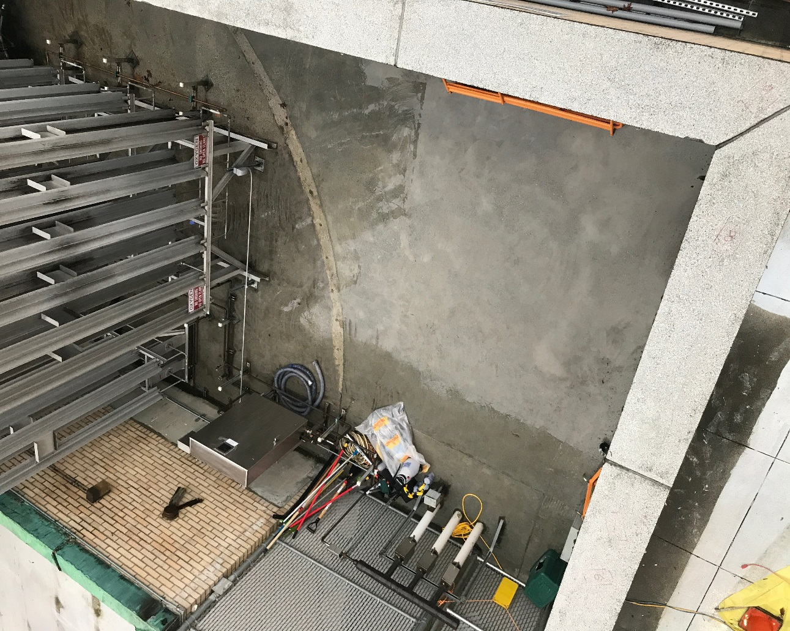

Survey No | INIS-010320-882 | Location 14 is on the West wall behind cooling fins. Locations 11 and 12 are on the North wall, not shown in picture.
Date | 2020-01-02
Survey Tech | D. Dodge
Count Room Tech | P. Ray
Date Counted | 2020-01-03
Survey Type | Characterization
Level of Posting | RCA/CA
Comments

